PopulationReport
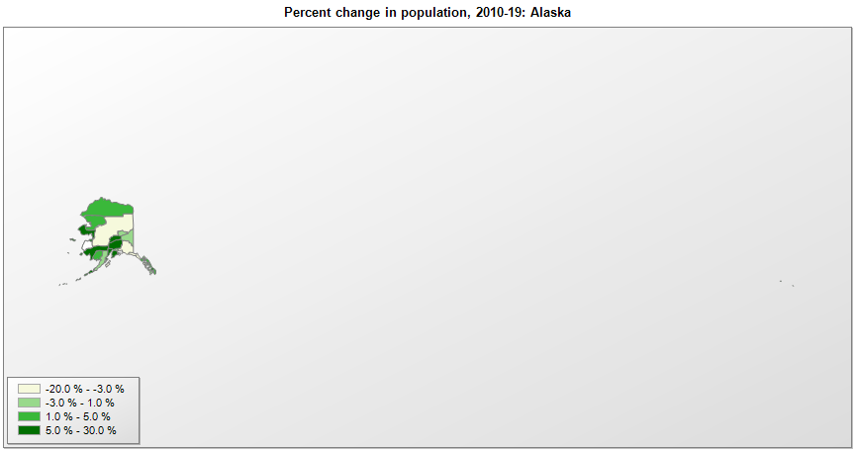

FIPS* | County name | RUC code | Pop. 1990 | Pop. 2000 | Pop. 2010 | Pop. 2019 | Change 2010-19
02000 | Alaska |  | 550,043 | 626,933 | 710,249 | 731,545 | 3.0%
02013 | Aleutians East Borough | 9 | 2,464 | 2,697 | 3,141 | 3,337 | 6.2%
02016 | Aleutians West Census Area | 9 | 9,478 | 5,464 | 5,561 | 5,634 | 1.3%
02020 | Anchorage Municipality | 2 | 226,338 | 260,299 | 291,836 | 288,000 | -1.3%
02050 | Bethel Census Area | 7 | 13,660 | 16,046 | 17,013 | 18,386 | 8.1%
02060 | Bristol Bay Borough | 9 | 1,410 | 1,258 | 997 | 836 | -16.1%
02068 | Denali Borough | 8 | 1,682 | 1,893 | 1,822 | 2,097 | 15.1%
02070 | Dillingham Census Area | 9 | 4,010 | 4,922 | 4,847 | 4,916 | 1.4%
02090 | Fairbanks North Star Borough | 3 | 77,720 | 82,849 | 97,585 | 96,849 | -0.8%
02100 | Haines Borough | 9 | 2,117 | 2,392 | 2,508 | 2,530 | 0.9%
02110 | Juneau City and Borough | 5 | 26,752 | 30,704 | 31,276 | 31,974 | 2.2%
02122 | Kenai Peninsula Borough | 7 | 40,802 | 49,673 | 55,400 | 58,708 | 6.0%
02130 | Ketchikan Gateway Borough | 7 | 13,828 | 14,074 | 13,526 | 13,901 | 2.8%
02150 | Kodiak Island Borough | 7 | 13,309 | 13,916 | 13,606 | 12,998 | -4.5%
02158 | Kusilvak Census Area | 9 | 5,789 | 7,028 | 7,459 | 8,314 | 11.5%
02164 | Lake and Peninsula Borough | 9 | 1,666 | 1,823 | 1,635 | 1,592 | -2.6%
02170 | Matanuska-Susitna Borough | 2 | 39,683 | 59,318 | 88,985 | 108,317 | 21.7%
02180 | Nome Census Area | 7 | 8,288 | 9,196 | 9,492 | 10,004 | 5.4%
02185 | North Slope Borough | 7 | 5,986 | 7,385 | 9,430 | 9,832 | 4.3%
02188 | Northwest Arctic Borough | 7 | 6,106 | 7,208 | 7,523 | 7,621 | 1.3%
02220 | Sitka City and Borough | 7 | 8,588 | 8,835 | 8,881 | 8,493 | -4.4%
02240 | Southeast Fairbanks Census Area | 9 | 5,925 | 6,174 | 7,029 | 6,893 | -1.9%
02261 | Valdez-Cordova Census Area | 9 | 9,920 | 10,195 | 9,636 | 9,202 | -4.5%
02282 | Yakutat City and Borough | 9 | 725 | 808 | 662 | 579 | -12.5%
02290 | Yukon-Koyukuk Census Area | 9 | 6,798 | 6,510 | 5,588 | 5,230 | -6.4%

Source: U.S. Census Bureau, 1990, 2000, and 2010 Censuses of Population (corrected), and 2019 County Total Population Estimates. 1) The FIPS codes uniquely identify each county and are part of the Federal Information Processing Standards (FIPS) developed by the National Institute of Standards and Technology (NIST), U.S. Department of Commerce. For more information, see the NIST FIPS publication page. 2) The 2013 rural-urban continuum codes classify metropolitan counties (codes 1 through 3) by size of the Metropolitan Statistical Area (MSA), and nonmetropolitan counties (codes 4 through 9) by degree of urbanization and proximity to metro areas. See rural-urban continuum codes for precise definitions of each code.

